NOTES
 |  |  |  |  |  | EXPORT THE ON HAND DATA FROM THE INV -> REPORTING TAB WITH THE STOCK FILTER ENABLED | DISCONTINUED | SKU | LINK
Matte Finish Copper Mug. A festive gift. | YS0004300000 | COPPER | FOR GIFTING 25 EACH |  |  | MUST HAVE THE COLS IN THE RIGHT ENABLED FOR THIS EXPORT | LB NOTEBOOK | HO0076400000 | https://ishalife.sadhguru.org/usa/linga-bhairavi-handcrafted-notebook
 |  |  |  |  |  |  | Spatik Mala (Quartz Stones) | RS0001000100 |  | SMALLEST SIZE DKED
 |  |  |  |  |  | THIS IS THE STOCK | Isha Wooden Ball Pen | HO0079300000
 |  |  |  |  |  | FOR THE SALES GO TO SALES REPORTING, LAST 365 DAYS SELECT ONLY THE QTY ORDEREDED AND MAKE THE LEFT SIDE THE EXPANDED PROD VARIANTS AND PASTE THAT AS IS | Adiyogi Car Hanging | HO0088100000
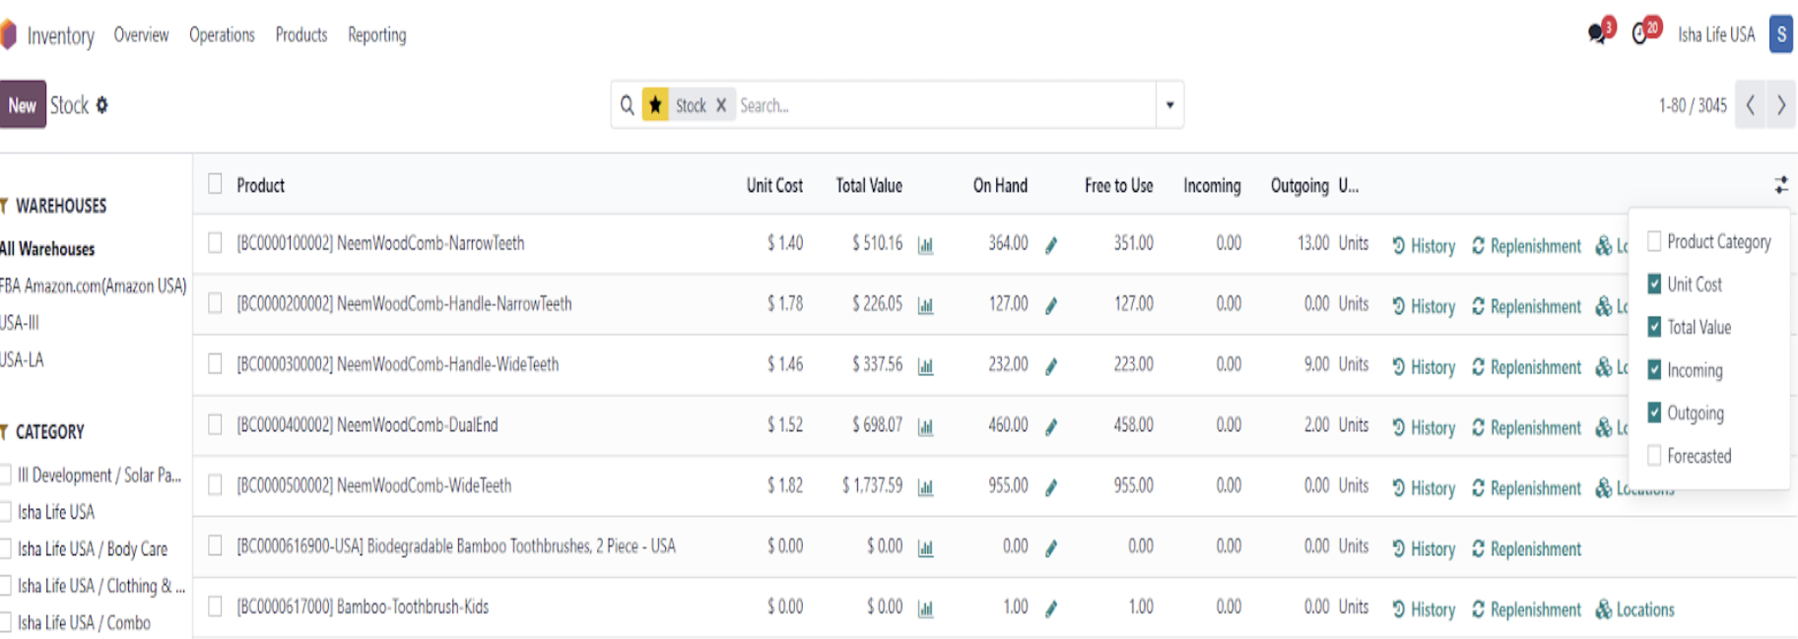

ORDER REMARKS |  |  |  |  | Q2 ORDER REMARKS
S No | GLOBAL SKU | NAME | ORDER | Remarks
1 | HI0000600001 | nilavembu tablets | 1670 | Need to confirm Import clearance
2 | BC0002206001 | turmeric face pack | 175 | Need to confirm Import clearance
3 | HO0030800002 | Instant Herbal Dhoop 20pcs | 115 | Previous orders were cancelled due to cow dung Ingredient
6 | YS0008416900 | Shivanga Kit with Mala | 255 | Currently we have dispatched Shivanga Kit with Rudraksh Mala (without Hundi & Vibhuti)-YS0019900000, Pls check and confirm the SKU

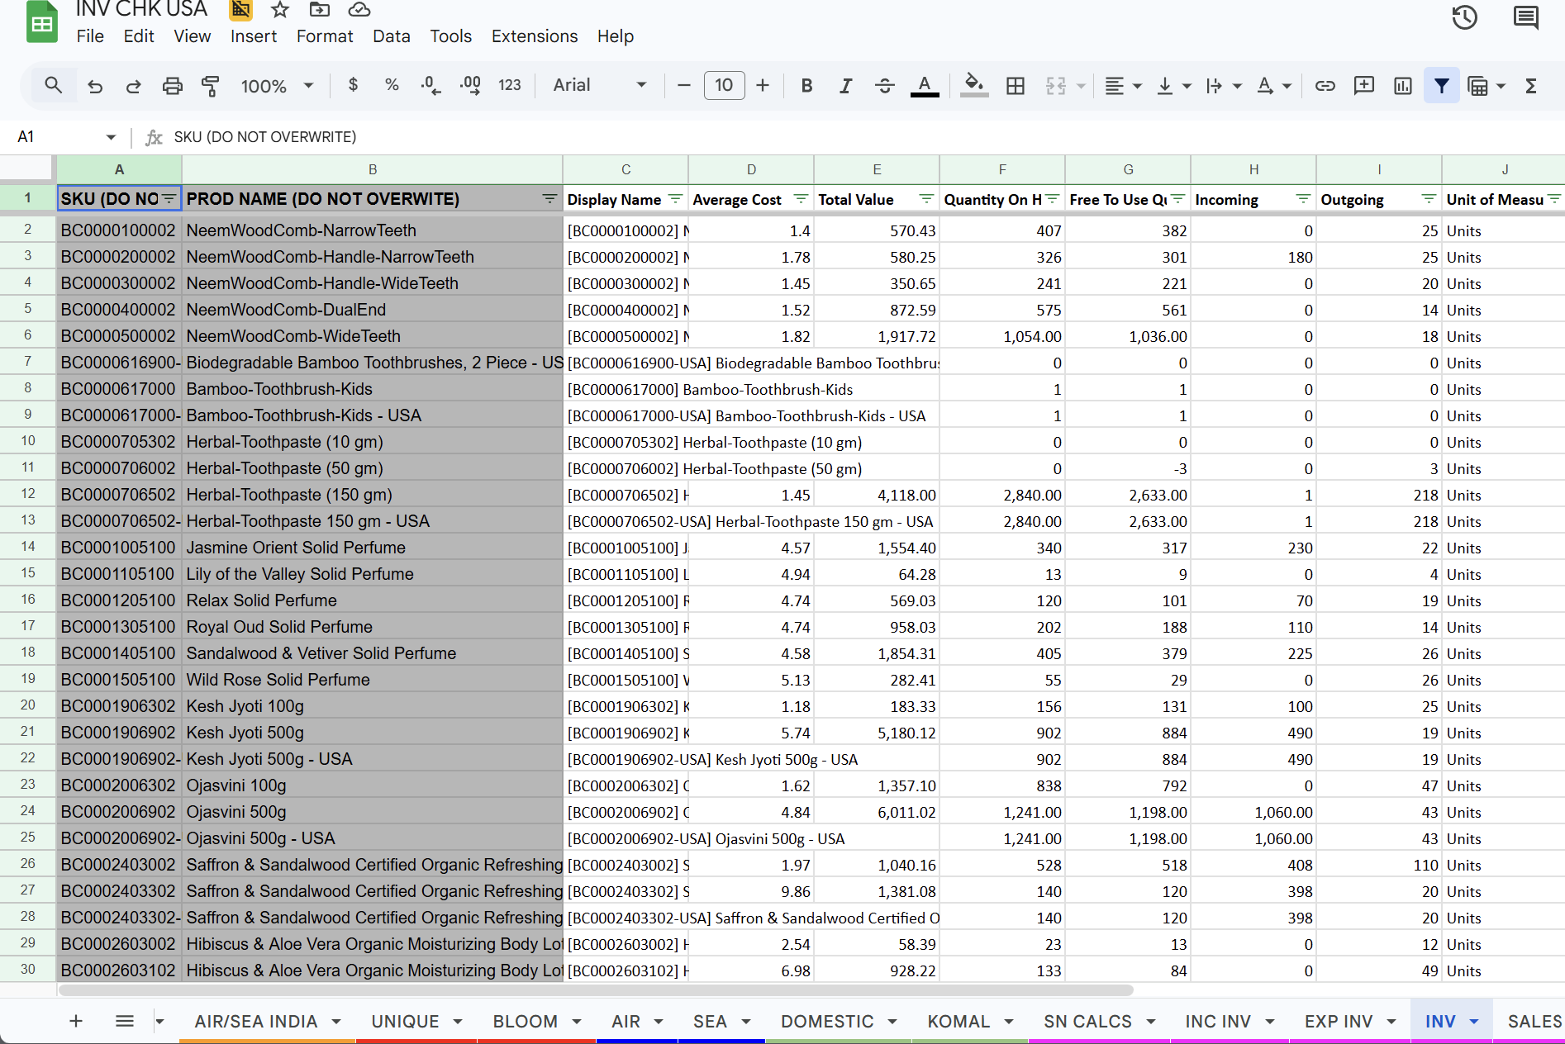

DEVI SHAWL COTTON GOLD WRITING
TC0004016600 | ENGLISH
TC0004000400 | TAMIL

DOES ISHA LIFE STILL SELL SANNIDH ITEMS, VIBHUTI, SHAWL, SUTRA, ETC
add in clothing and t shirts
NEW PRODS AT FLOOR / ONLINE CHECK
PRICING CHECK

brass plates for buddha lamps ?
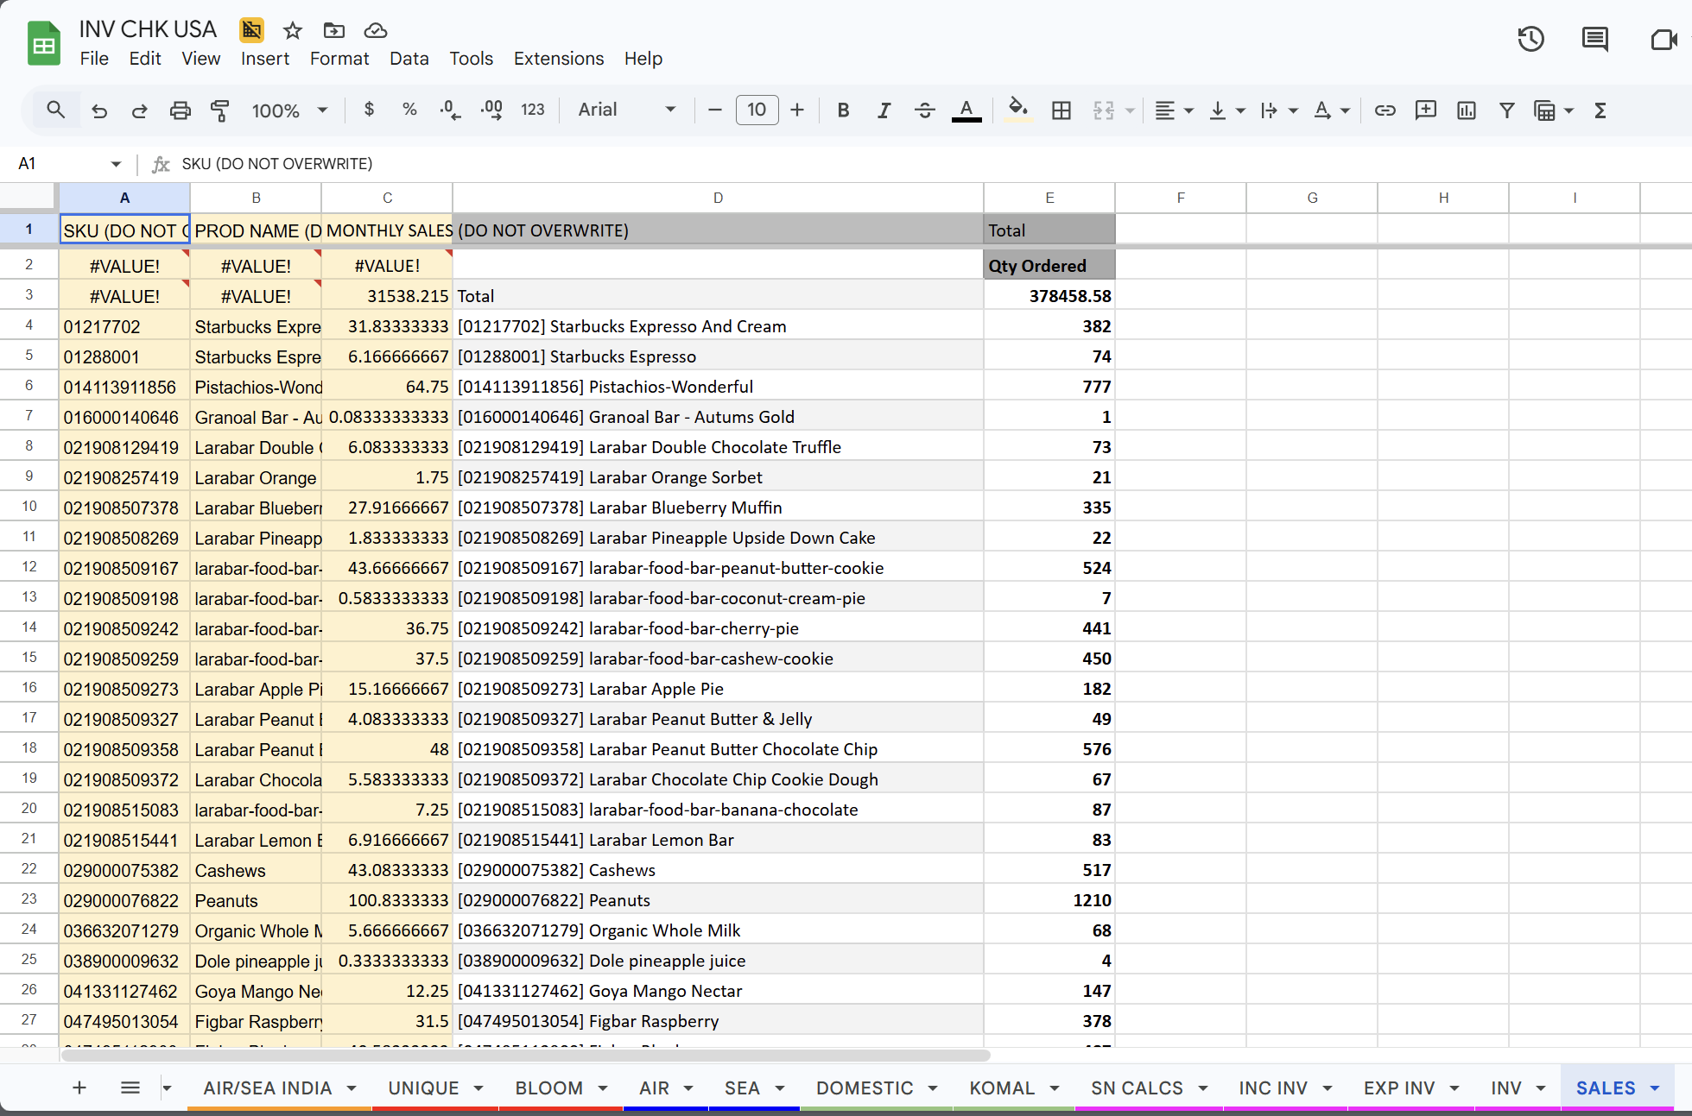

clear our the sun hats only the bucket hat

FABRIC | CODE |  | PRINT | P
ORGANIC SATIN | 1 |  | NO PRINT | N
COTTEN LINEN | 2
COTTON GUAZE | 3
COTTON CREPE | 4
COTTON SLUB | 5
EYELET | 6
VOILE | 7
COTTON JERSEY | 8

